5-17 Tables
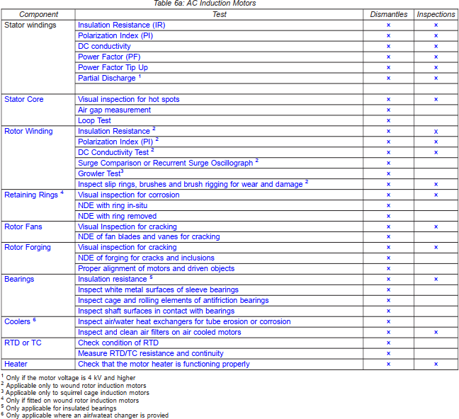
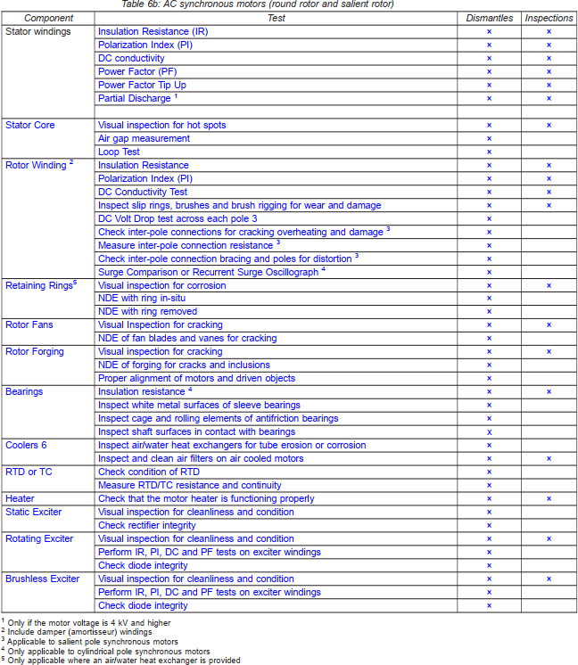
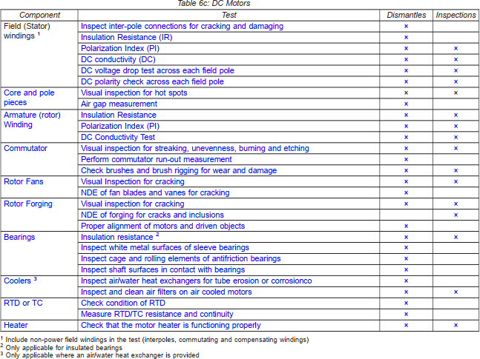

Table 6b
Component | Test | Dismantles | Inspections
Stator Windings | Insulation Resistance (IR) | X | X
 | Polarization Index (PI) | X | X
 | DC conductivity | X | X
 | Power Factor (PF) | X | X
 | Power Factor Tip Up | X | X
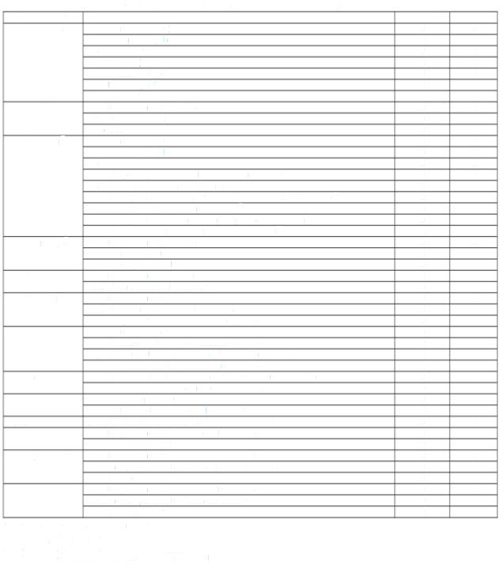
Table 6b: AC synchronous motors (round rotor and salient rotor)
1 Only if the motor voltage is 4 kV and higher
² Include damper (amortisseur) bindings
3 Applicable to saSent pole synchronous motors
4 Only applicable to cyindrical pole synchronous motors
⁵ Only applicable //here an air/water heat exchanger is provided
 | Partial Discharge 1 | X | X
Stator Core | Visual inspection for hot spots | X | X
 | Air gap measurement | X
 | Loop Test | X
Rotor Winding 2 | Insulation Resistance | X | X
 | Polarization Index (PI) | X | X
 | DC Conductivity Test | X | X
 | Inspect slip rings, brushes and brush rigging for wear and damage | X | X
 | DC Volt Drop test across each pole 3 | X
 | Check inter-pole connections for cracking overheating and damage 3 | X
 | Measure inter-pole connection resistance 3 | X
 | Check inter-pole connection bracing and poles for distortion 3 | X
 | Surge Comparison or Recurrent Surge Oscillograph 4 | X
Retaining Rings5 | Visual inspection for corrosion | X | X
 | NDE with ring in-situ | X
 | NDE with ring removed | X
Rotor Fans | Visual Inspection for cracking | X | X
 | NDE of fan blades and vanes for cracking | X
Rotor Forging | Visual inspection for cracking | X | X
 | NDE of forging for cracks and inclusions | X
 | Proper alignment of motors and driven objects | X
Bearings | Insulation resistance 4 | X | X
 | Inspect white metal surfaces of sleeve bearings | X
 | Inspect cage and rolling elements of antifriction bearings | X
 | Inspect shaft surfaces in contact with bearings | X
Coolers 6 | Inspect air/water heat exchangers for tube erosion or corrosion | X
 | Inspect and clean air filters on air cooled motors | X | X
RTD or TC | Check condition of RTD | X
 | Measure RTD/TC resistance and continuity | X
Heater | Check that the motor heater is functioning properly | X | X
Static Exciter | Visual inspection for cleanliness and condition | X
 | Check rectifier integrity | X
Rotating Exciter | Visual inspection for cleanliness and condition | X | X
 | Perform IR, PI, DC and PF tests on exciter windings | X
 | Check diode integrity | X
Brushless Exciter | Visual inspection for cleanliness and condition | X | X
 | Perform IR, PL DC and PF tests on exciter windings | X
 | Check diode integrity | X

Table 6c
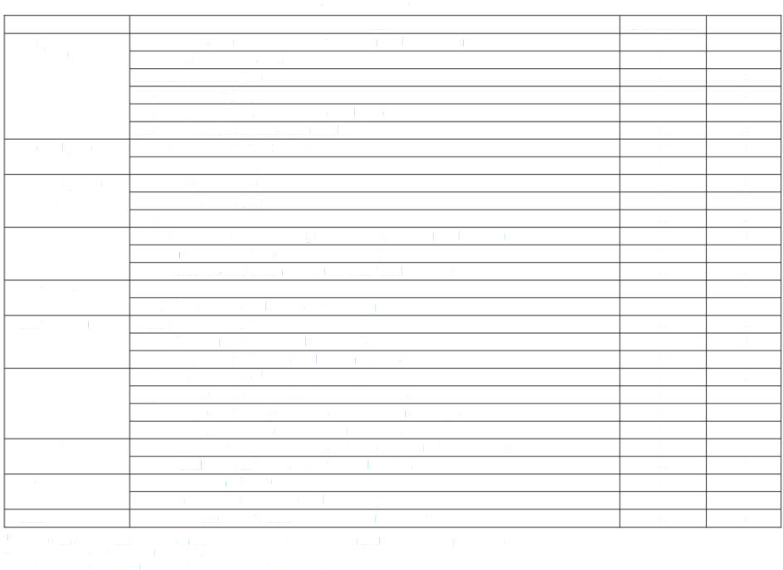
Table 6c: DC Motors
1 Include non-power field windings in the test (interpoles, commutating and compensating windings)
2 Only applicable for insulated bearings
3 Only applicable where an air/water heat exchanger is provided
Component | Test | Dismantles | Inspections
Field (Stator) | Inspect inter-pole connections for cracking and damaging | X
windings 1 | Insulation Resistance (IR) | X
 | Polarization Index (PI) | X | X
 | DC conductivity (DC) | X | X
 | DC voltage drop test across each field pole | X | X
 | DC polarity check across each field pole | X | X
Core and pole | Visual inspection for hot spots | X | X
pieces | Air gap measurement | X
Armature (rotor) | Insulation Resistance | X | X
Winding | Polarization Index (PI) | X | X
 | DC Conductivity Test | X | X
Commutator | Visual inspection for streaking, unevenness, burning and etching | X | X
 | Perform commutator run-out measurement | X
 | Check brushes and brush rigging for wear and damage | X | X
Rotor Fans | Visual Inspection for cracking | X | X
 | NDE of fan blades and vanes for cracking | X
Rotor Forging | Visual inspection for cracking | X | X
 | NDE of forging for cracks and inclusions |  | X
 | Proper alignment of motors and driven objects | X
Bearings | Insulation resistance 2 | X | X
 | Inspect white metal surfaces of sleeve bearings | X
 | Inspect cage and rolling elements of antifriction bearings | X
 | Inspect shaft surfaces in contact with bearings | X
Coolers 3 | Inspect air/water heat exchangers for tube erosion or corrosionco | X
 | Inspect and clean air filters on air cooled motors | X | X
RTD or TC | Check condition of RTD | X
 | Measure RTD/TC resistance and continuity | X
Heater | Check that the motor heater is functioning properly | X | X

